Regulated Tariffs ERSE
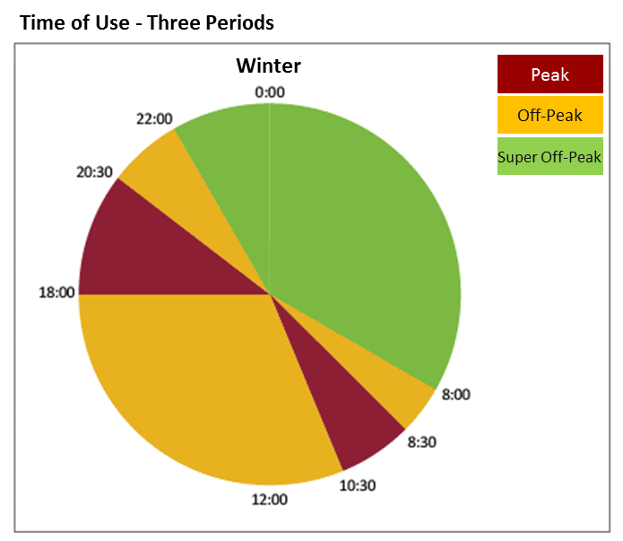
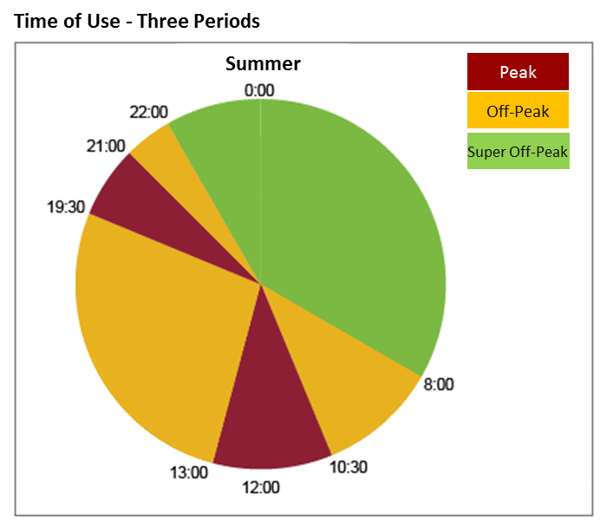
Low Voltage retail prices for the regulated market in continental Portugal

RETAIL CUSTOMER TARIFF FOR LOW VOLTAGE (<=20,7 kVA e >2,3 kVA) |  |  | PRICE

Contracted Power | Tariff Type | (kVA) | (EUR/month) | (EUR/day) *
 |  | 3.45 | 5.00 | 0.1645
 |  | 4.6 | 6.50 | 0.2138
 | Simple Tariff , Time of Use-Two Periods and Time of Use-Three Periods | 5.75 | 7.99 | 0.2628
 |  | 6.9 | 9.48 | 0.3118
 |  | 10.35 | 13.96 | 0.4589
 |  | 13.8 | 18.43 | 0.6060
 |  | 17.25 | 22.91 | 0.7531
 |  | 20.7 | 27.38 | 0.9001
Active Energy | Tariff Type |  | (EUR/kWh)
 | Simple Tariff <=6,9 kVA |  | 0.1557
 | Simple Tariff >6,9 kVA |  | 0.1559
 | Time-of-Use two periods <=6,9 kVA | Peak periods | 0.1875
 |  | Off-peak periods | 0.1024
 | Time-of-Use two periods >6,9 kVA | Peak periods | 0.1890
 |  | Off-peak periods | 0.1025
 | Time-of-Use three periods <=6,9 kVA | Peak periods | 0.2246
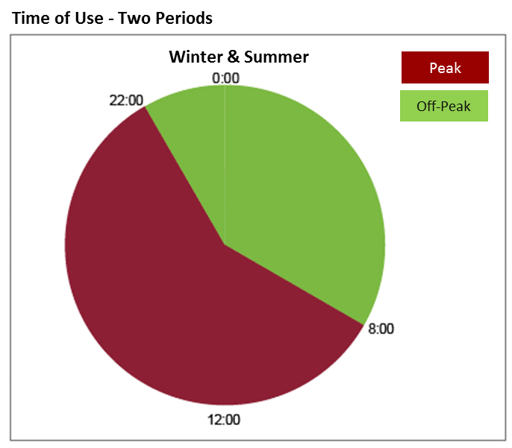
 |  | Off-peak periods | 0.1682
 |  | Super Off-peak periods | 0.1024
 | Time-of-Use three periods >6,9 kVA | Peak periods | 0.2287
 |  | Off-peak periods | 0.1704
 |  | Super Off-peak periods | 0.1025
* RRC art. 119.º, n.º 6

RETAIL CUSTOMER TARIFF FOR LOW VOLTAGE (<=2,3 kVA) |  |  | PRICE

Contracted Power | Tariff Type | (kVA) | (EUR/month) | (EUR/day) *
 | Simple Tariff | 1.15 | 2.47 | 0.0811
 | Time-of-Use two and three periods | 2.3 | 4.33 | 0.1423

Active Energy | Tariff Type |  | (EUR/kWh)
 | Simple Tariff |  | 0.1447
 | Time-of-Use two periods | Peak periods | 0.1875
 |  | Off-peak periods | 0.1024
 | Time-of-Use three periods | Peak periods | 0.2246
 |  | Off-peak periods | 0.1682
 |  | Super Off-peak periods | 0.1024

http://www.erse.pt/pt/electricidade/tarifaseprecos/2019/Paginas/default.aspx
https://simulador.precos.erse.pt/Admin/csvs/20190510%20150425%20CSV.zip

